Price Performance
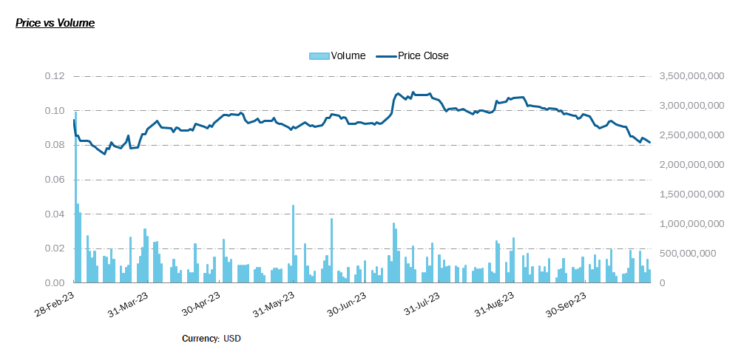
 | Volume | Price Close | Price High | Price Low
 | 0 | 0 | 0.0965717 | 0.089885965
 |  |  | 0.096859515 | 0.08568342
 |  |  | 0.089043885 | 0.083107635
 |  |  | 0.08606618 | 0.08235644
 |  |  | 0.08400238 | 0.08028547
 |  |  | 0.08284943 | 0.07989052
 |  |  | 0.0813459 | 0.07912738
 |  |  | 0.08213096 | 0.07917129
 |  |  | 0.080112755 | 0.07788739
 |  |  | 0.07866419 | 0.07495362
 |  |  | 0.07957461 | 0.075112484
 |  |  | 0.07988757 | 0.077668466
 |  |  | 0.081678115 | 0.07722294
 |  |  | 0.08193058 | 0.07969611
 |  |  | 0.08141924 | 0.07768441
 |  |  | 0.08069638 | 0.079202
 |  |  | 0.08250825 | 0.079507954
 |  |  | 0.08531521 | 0.081540205
 |  |  | 0.08333959 | 0.07733313
 |  |  | 0.08030019 | 0.07654784
 |  |  | 0.082843795 | 0.07907817
 |  |  | 0.08652472 | 0.08276277
 |  |  | 0.09035124 | 0.0835749
 |  |  | 0.090256095 | 0.08574329
 |  |  | 0.09335943 | 0.09034784
 |  |  | 0.095062055 | 0.09128975
 |  |  | 0.09487952 | 0.09111446
 |  |  | 0.09246731 | 0.090212
 |  |  | 0.09070805 | 0.08845909
 |  |  | 0.091553785 | 0.087801576
 |  |  | 0.091066465 | 0.088056
 |  |  | 0.0907441 | 0.0892317
 |  |  | 0.09021539 | 0.087960005
 |  |  | 0.0883862 | 0.08688813
 |  |  | 0.08931252 | 0.08706094
 |  |  | 0.0892054 | 0.08770615
 |  |  | 0.09314204 | 0.08863517
 |  |  | 0.09285259 | 0.09060616
 |  |  | 0.09293262 | 0.09068425
 |  |  | 0.091139995 | 0.0881518
 |  |  | 0.09148171 | 0.089982
 |  |  | 0.09124224 | 0.08899858
 |  |  | 0.093692616 | 0.09069445
 |  |  | 0.09733453 | 0.09359089
 |  |  | 0.098429635 | 0.09542415
 |  |  | 0.09860374 | 0.09634565
 |  |  | 0.09882317 | 0.095051296
 |  |  | 0.10037735 | 0.09735848
 |  |  | 0.09867059 | 0.09641096
 |  |  | 0.09948749 | 0.0972264
...
Pricing Overview

S51-SES | Ticker
2/28/2023 | Start Date
10/27/2023 | End Date
Trading Day | ◄Frequency
Singapore Dollar | ◄Currency

General Information
Seatrium Limited
Exchange | Singapore
Price | 0.113
Volume | 398,901,000
52 Week High | 0.151
52 Week High Date | 12/5/2022
52 Week Low | 0.101
52 Week Low Date | 3/14/2023
Price % Change - 52 Weeks | -0.06%
Market Capitalization (Millions) | 7710.80
Shares Outstanding (Millions) | 68237

Seatrium Global Peers

Peer Information
Ticker | Company | Price Close | 52 Week High | 52 Week Low | Market Capitalization (MM) | Avg Daily Volume - from 2/28/23 | P/E | EV/EBITDA | P/B
 | Seatrium Limited | 0.08 | 0.11 | 0.07 | 7,642.56 | 375,085,071 | - | 47.32 | -
TSLA-USQ | Hanwha Corp | 16.34 | 26.66 | 16.26 | 1,674,858.54 | 297,136 | 2.03 | 8.74 | 0.15
010140-KRX | Samsung Heavy Industries Co., Ltd | 5.30 | 7.29 | 3.59 | 6,327,200.00 | 6,745,917 | - | - | 1.68
322000-KRX | HD HYUNDAI ENERGY SOLUTIONS CO. LTD. | 16.30 | 51.78 | 16.00 | 247,520.00 | 133,882 | 5.10 | 5.10 | 0.64
317-HK | CSSC Offshore & Marine Engineering (Group) Company Limited Class H | 1.09 | 1.61 | 0.86 | 25,187.28 | 2,511,539 | 46.60 | 15.45 | -

Seatrium Local Peers

Peer Information
Ticker | Company | Price Close | 52 Week High | 52 Week Low | Market Capitalization (Millions) | Avg Daily Volume - from 2/28/23 | P/E | EV/EBITDA | PTBV
S51-SES | Seatrium Limited | 0.08 | 0.11 | 0.07 | 7,642.56 | 375,085,071 | - | 47.32 | 2.02
U96-SES | Sembcorp Industries Ltd. | 3.37 | 4.54 | 2.00 | 8,207.94 | 5,913,825 | 10.20 | 9.00 | 2.29
BN4-SES | Keppel Corporation Limited | 4.56 | 5.47 | 3.03 | 11,360.28 | 4,073,613 | 13.19 | 19.16 | 1.14
BS6-SES | Yangzijiang Shipbuilding (Holdings) Ltd. | 1.07 | 1.32 | 0.83 | 5,802.15 | 22,555,609 | 9.72 | 5.41 | 1.70
STI | FTSE Strait Times | 2,237.21 | 2,595.83 | 2,143.39 | - | - | - | - | -

